Question
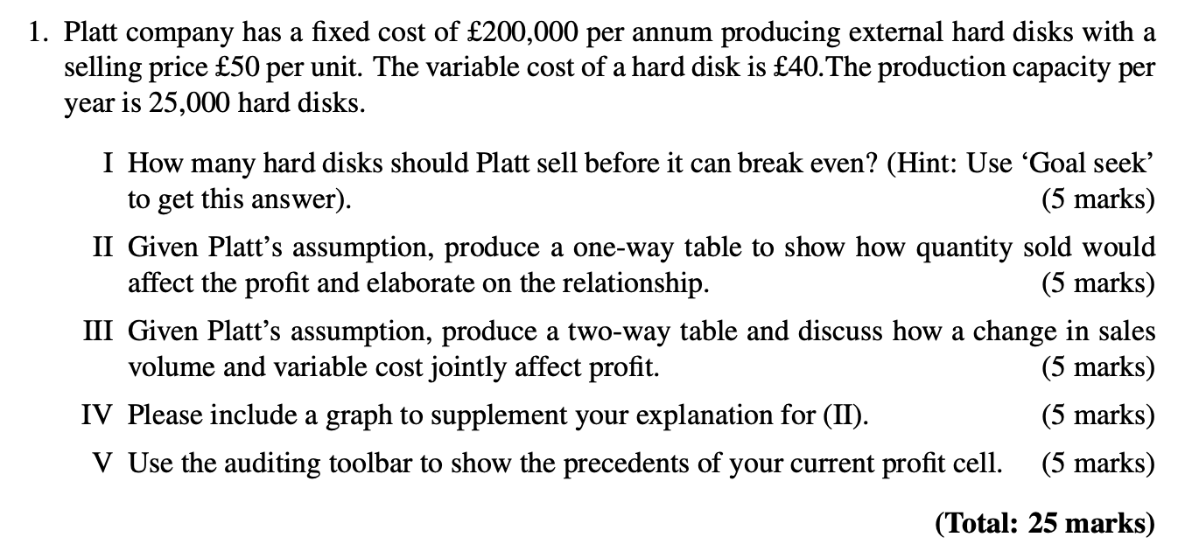

Question I-IV
Question I |  |  |  | Question II |  | Question III

Input |  |  |  | Input | *Maximum Profit | Two-Way Table Showing the Effect of Sales Volume and Variable Cost in Profit
Fixed Cost | £200,000 |  |  | Fixed Cost | £200,000
Variable Unit Cost | £40 |  |  | Variable Unit Cost | £40 | £50,000 | £0.00 | £5.00 | £10.00 | £15.00 | £20.00 | £25.00 | £30.00 | £35.00 | £40.00 | £45.00 | £50.00 | £55.00 | £60.00
 |  |  |  |  |  | 10,000 | 300,000 | 250,000 | 200,000 | 150,000 | 100,000 | 50,000 | - | -50,000 | -100,000 | -150,000 | -200,000 | -250,000 | -300,000
Decide Variable |  | Production Capacity Per Year | 25,000 | Decide Variable |  | 10,500 | 325,000 | 272,500 | 220,000 | 167,500 | 115,000 | 62,500 | 10,000 | -42,500 | -95,000 | -147,500 | -200,000 | -252,500 | -305,000
Unit Sold | 20000 |  |  | Unit Sold | 25000 | 11,000 | 350,000 | 295,000 | 240,000 | 185,000 | 130,000 | 75,000 | 20,000 | -35,000 | -90,000 | -145,000 | -200,000 | -255,000 | -310,000
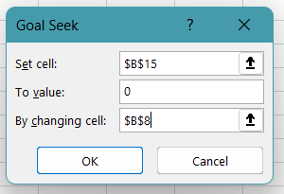
 |  |  |  |  |  | 11,500 | 375,000 | 317,500 | 260,000 | 202,500 | 145,000 | 87,500 | 30,000 | -27,500 | -85,000 | -142,500 | -200,000 | -257,500 | -315,000
Profit Model |  |  |  | Profit Model |  | 12,000 | 400,000 | 340,000 | 280,000 | 220,000 | 160,000 | 100,000 | 40,000 | -20,000 | -80,000 | -140,000 | -200,000 | -260,000 | -320,000
Unit Selling Price | £50 |  |  | Unit Selling Price | £50 | 12,500 | 425,000 | 362,500 | 300,000 | 237,500 | 175,000 | 112,500 | 50,000 | -12,500 | -75,000 | -137,500 | -200,000 | -262,500 | -325,000
Total Revenue | 1000000 |  |  | Total Revenue | £1,250,000 | 13,000 | 450,000 | 385,000 | 320,000 | 255,000 | 190,000 | 125,000 | 60,000 | -5,000 | -70,000 | -135,000 | -200,000 | -265,000 | -330,000
Total Cost of Production | 1000000 |  |  | Total Cost of Production | £1,200,000 | 13,500 | 475,000 | 407,500 | 340,000 | 272,500 | 205,000 | 137,500 | 70,000 | 2,500 | -65,000 | -132,500 | -200,000 | -267,500 | -335,000
 |  |  |  |  |  | 14,000 | 500,000 | 430,000 | 360,000 | 290,000 | 220,000 | 150,000 | 80,000 | 10,000 | -60,000 | -130,000 | -200,000 | -270,000 | -340,000
Total Profit | 0 |  |  | Total Profit | £50,000 | 14,500 | 525,000 | 452,500 | 380,000 | 307,500 | 235,000 | 162,500 | 90,000 | 17,500 | -55,000 | -127,500 | -200,000 | -272,500 | -345,000
 |  |  |  |  |  | 15,000 | 550,000 | 475,000 | 400,000 | 325,000 | 250,000 | 175,000 | 100,000 | 25,000 | -50,000 | -125,000 | -200,000 | -275,000 | -350,000
 |  |  |  | One-Way Table |  | 15,500 | 575,000 | 497,500 | 420,000 | 342,500 | 265,000 | 187,500 | 110,000 | 32,500 | -45,000 | -122,500 | -200,000 | -277,500 | -355,000
 |  |  |  | Unit Sold | £50,000 | 16,000 | 600,000 | 520,000 | 440,000 | 360,000 | 280,000 | 200,000 | 120,000 | 40,000 | -40,000 | -120,000 | -200,000 | -280,000 | -360,000
Question IV |  |  |  | 10,000 | (£100,000.00) | 16,500 | 625,000 | 542,500 | 460,000 | 377,500 | 295,000 | 212,500 | 130,000 | 47,500 | -35,000 | -117,500 | -200,000 | -282,500 | -365,000
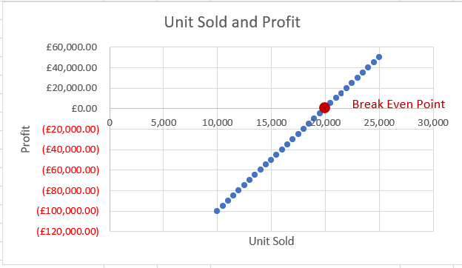
 |  |  |  | 10,500 | (£95,000.00) | 17,000 | 650,000 | 565,000 | 480,000 | 395,000 | 310,000 | 225,000 | 140,000 | 55,000 | -30,000 | -115,000 | -200,000 | -285,000 | -370,000
 |  |  |  | 11,000 | (£90,000.00) | 17,500 | 675,000 | 587,500 | 500,000 | 412,500 | 325,000 | 237,500 | 150,000 | 62,500 | -25,000 | -112,500 | -200,000 | -287,500 | -375,000
 |  |  |  | 11,500 | (£85,000.00) | 18,000 | 700,000 | 610,000 | 520,000 | 430,000 | 340,000 | 250,000 | 160,000 | 70,000 | -20,000 | -110,000 | -200,000 | -290,000 | -380,000
 |  |  |  | 12,000 | (£80,000.00) | 18,500 | 725,000 | 632,500 | 540,000 | 447,500 | 355,000 | 262,500 | 170,000 | 77,500 | -15,000 | -107,500 | -200,000 | -292,500 | -385,000
Unit Sold and Profit
 |  |  |  | 12,500 | (£75,000.00) | 19,000 | 750,000 | 655,000 | 560,000 | 465,000 | 370,000 | 275,000 | 180,000 | 85,000 | -10,000 | -105,000 | -200,000 | -295,000 | -390,000
 |  |  |  | 13,000 | (£70,000.00) | 19,500 | 775,000 | 677,500 | 580,000 | 482,500 | 385,000 | 287,500 | 190,000 | 92,500 | -5,000 | -102,500 | -200,000 | -297,500 | -395,000
 |  |  |  | 13,500 | (£65,000.00) | 20,000 | 800,000 | 700,000 | 600,000 | 500,000 | 400,000 | 300,000 | 200,000 | 100,000 | - | -100,000 | -200,000 | -300,000 | -400,000
 |  |  |  | 14,000 | (£60,000.00) | 20,500 | 825,000 | 722,500 | 620,000 | 517,500 | 415,000 | 312,500 | 210,000 | 107,500 | 5,000 | -97,500 | -200,000 | -302,500 | -405,000
Break Even Point
 |  |  |  | 14,500 | (£55,000.00) | 21,000 | 850,000 | 745,000 | 640,000 | 535,000 | 430,000 | 325,000 | 220,000 | 115,000 | 10,000 | -95,000 | -200,000 | -305,000 | -410,000
 |  |  |  | 15,000 | (£50,000.00) | 21,500 | 875,000 | 767,500 | 660,000 | 552,500 | 445,000 | 337,500 | 230,000 | 122,500 | 15,000 | -92,500 | -200,000 | -307,500 | -415,000
 |  |  |  | 15,500 | (£45,000.00) | 22,000 | 900,000 | 790,000 | 680,000 | 570,000 | 460,000 | 350,000 | 240,000 | 130,000 | 20,000 | -90,000 | -200,000 | -310,000 | -420,000
 |  |  |  | 16,000 | (£40,000.00) | 22,500 | 925,000 | 812,500 | 700,000 | 587,500 | 475,000 | 362,500 | 250,000 | 137,500 | 25,000 | -87,500 | -200,000 | -312,500 | -425,000
 |  |  |  | 16,500 | (£35,000.00) | 23,000 | 950,000 | 835,000 | 720,000 | 605,000 | 490,000 | 375,000 | 260,000 | 145,000 | 30,000 | -85,000 | -200,000 | -315,000 | -430,000
 |  |  |  | 17,000 | (£30,000.00) | 23,500 | 975,000 | 857,500 | 740,000 | 622,500 | 505,000 | 387,500 | 270,000 | 152,500 | 35,000 | -82,500 | -200,000 | -317,500 | -435,000
 |  |  |  | 17,500 | (£25,000.00) | 24,000 | 1,000,000 | 880,000 | 760,000 | 640,000 | 520,000 | 400,000 | 280,000 | 160,000 | 40,000 | -80,000 | -200,000 | -320,000 | -440,000
 |  |  |  | 18,000 | (£20,000.00) | 24,500 | 1,025,000 | 902,500 | 780,000 | 657,500 | 535,000 | 412,500 | 290,000 | 167,500 | 45,000 | -77,500 | -200,000 | -322,500 | -445,000
 |  |  |  | 18,500 | (£15,000.00) | 25,000 | 1,050,000 | 925,000 | 800,000 | 675,000 | 550,000 | 425,000 | 300,000 | 175,000 | 50,000 | -75,000 | -200,000 | -325,000 | -450,000
 |  |  |  | 19,000 | (£10,000.00)
 |  |  |  | 19,500 | (£5,000.00)
 |  |  |  | 20,000 | £0.00
 |  |  |  | 20,500 | £5,000.00
 |  |  |  | 21,000 | £10,000.00
 |  |  |  | 21,500 | £15,000.00
 |  |  |  | 22,000 | £20,000.00
 |  |  |  | 22,500 | £25,000.00
 |  |  |  | 23,000 | £30,000.00
 |  |  |  | 23,500 | £35,000.00
 |  |  |  | 24,000 | £40,000.00
 |  |  |  | 24,500 | £45,000.00
 |  |  |  | 25,000 | £50,000.00

Precendents
